Ark1
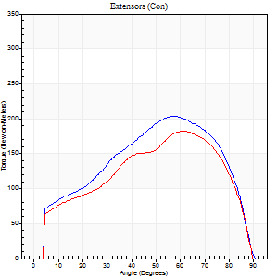
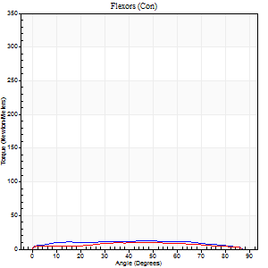
Use File, Preference to set Report Heading
Long Form Torque vs. Position Report - Knee Extension/Flexion
Name: |  |  |  | Deltager_10, | ID: | Deltager | Right/Left: | 07.10.2025 07.10.2025

Right Side Curves Left Side Curves
Isokinetic Con/Con |  |  |  | Extensors (Con) |  | Flexors (Con)
Speed 60/60 d/s 3 Reps |  |  |  | Value | Cof Var | %BW | Value | Cof Var | %BW | Ratio

TORQUE PARAMETERS
Peak Torque (Newton-Meters - Best Repetition)
Right |  |  |  | 203 | 0.03 | 316 | 12 | 0.37 | 18 | 6
Left |  |  |  | 182 | 0.02 | 283 | 9 | 0.48 | 15 | 5
Deficit |  |  |  | 11 |  |  | 22
Work per Repetition (Newton-Meters - Best Repetition)
Right |  |  |  | 213 | 0.04 | 331 | 15 | 0.57 | 24 | 7
Left |  |  |  | 187 | 0.03 | 292 | 11 | 1.05 | 18 | 6
Deficit |  |  |  | 12 |  |  | 27
Average Power per Repetition (Watts - Best Repetition)
Right |  |  |  | 132 | 0.06 | 207 | 9 | 0.63 | 13 | 7
Left |  |  |  | 119 | 0.04 | 185 | 6 | 1.19 | 9 | 5
Deficit |  |  |  | 10 |  |  | 33
POSITION PARAMETERS
Joint Angle at Peak Torque (Degrees)
Right |  |  |  | 59 | 0.04 |  | 35 | 0.52
Left |  |  |  | 62 | 0.04 |  | 45 | 1
Range of Motion (Degrees)
Right |  |  |  | 0 | 0 |  | 90 | 0
Left |  |  |  | 0 | -0.28 |  | 90 | 0
TIME PARAMETERS
Time to Peak Torque (Seconds)
Right |  |  |  | 0.57 | 0.04 |  | 0.71 | 0.4
Left |  |  |  | 0.49 | 0.03 |  | 1.25 | 1.07
Time Peak Torque Held (Seconds)
Right |  |  |  | 0.05 | 0.35 |  | 0.07 | 1.73
Left |  |  |  | 0.06 | 0.27 |  | 0.08 | 1.73
Force Decay Time (Seconds)
Right |  |  |  | 0.99 | 0.03 |  | 0.85 | 0.48
Left |  |  |  | 1.04 | 0.03 |  | 0.72 | 1.34
Reciprocal Delay (Seconds)
Right |  |  |  | 0.17 | 0.28 |  | 0.58 | 0.16
Left |  |  |  | 0.26 | 0.16 |  | 0.7 | 0.16
Delay Time (Seconds)
Right |  |  |  | -0.02 | -0.85 |  | -0.04 | -0.58
Left |  |  |  | 0 | 1.41 |  | -0.08 | -0.4
HUMAC2015® Version: 15.000.0074 © Computer Sports Medicine, Inc. www.csmisolutions.com

Use File, Preference to set Report Heading
Long Form Torque vs. Position Report - Knee Extension/Flexion
Name: |  |  |  | Deltager_10, | ID: | Deltager | Right/Left: | 07.10.2025 07.10.2025

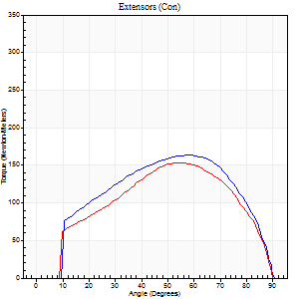
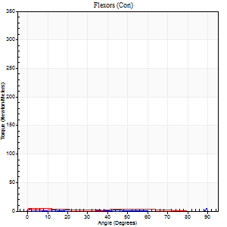
Right Side Curves Left Side Curves
Isokinetic Con/Con |  |  |  | Extensors (Con) |  | Flexors (Con)
Speed 120/120 d/s 3 Reps |  |  |  | Value | Cof Var | %BW | Value | Cof Var | %BW | Ratio

TORQUE PARAMETERS
Peak Torque (Newton-Meters - Best Repetition)
Right |  |  |  | 163 | 0 | 253 | 5 | 0.21 | 9 | 3
Left |  |  |  | 153 | 0.03 | 238 | 4 | 0.21 | 6 | 3
Deficit |  |  |  | 6 |  |  | 25
Work per Repetition (Newton-Meters - Best Repetition)
Right |  |  |  | 178 | 0.02 | 277 | 3 | 0.24 | 3 | 2
Left |  |  |  | 155 | 0.02 | 241 | 4 | 0.62 | 6 | 3
Deficit |  |  |  | 13 |  |  | 33
Average Power per Repetition (Watts - Best Repetition)
Right |  |  |  | 200 | 0.03 | 312 | 2 | 0.46 | 2 | 1
Left |  |  |  | 178 | 0.03 | 277 | 4 | 0.93 | 7 | 2
Deficit |  |  |  | 11 |  |  | 50
POSITION PARAMETERS
Joint Angle at Peak Torque (Degrees)
Right |  |  |  | 56 | 0.05 |  | 31 | 1.64
Left |  |  |  | 55 | 0.03 |  | 1 | 0.22
Range of Motion (Degrees)
Right |  |  |  | 0 | -1.41 |  | 90 | 0
Left |  |  |  | 0 | 0 |  | 90 | 0
TIME PARAMETERS
Time to Peak Torque (Seconds)
Right |  |  |  | 0.32 | 0.11 |  | 0.65 | 1.24
Left |  |  |  | 0.34 | 0.02 |  | 0.13 | 0.31
Time Peak Torque Held (Seconds)
Right |  |  |  | 0.04 | 0.13 |  | 0.04 | 1.73
Left |  |  |  | 0.02 | 0.49 |  | 0.04 | 1.73
Force Decay Time (Seconds)
Right |  |  |  | 0.5 | 0.06 |  | 0.83 | 0.97
Left |  |  |  | 0.52 | 0.03 |  | 1.31 | 0.26
Reciprocal Delay (Seconds)
Right |  |  |  | 0.19 | 0.19 |  | 0.75 | 0.08
Left |  |  |  | 0.21 | 0 |  | 0.72 | 0.2
Delay Time (Seconds)
Right |  |  |  | -0.02 | -0.28 |  | -0.11 | -0.24
Left |  |  |  | -0.01 | -1.41 |  | -0.12 | -0.43
HUMAC2015® Version: 15.000.0074 © Computer Sports Medicine, Inc. www.csmisolutions.com

Use File, Preference to set Report Heading
Long Form Torque vs. Position Report - Knee Extension/Flexion
Name: |  |  |  | Deltager_10, | ID: | Deltager | Right/Left: | 07.10.2025 07.10.2025
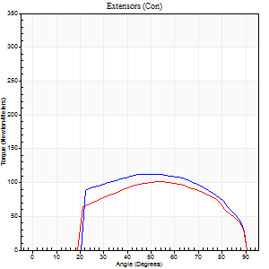
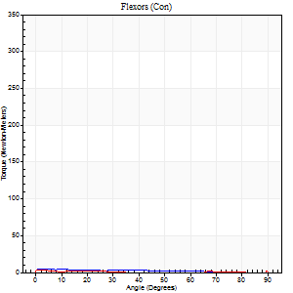
Right Side Curves Left Side Curves
Isokinetic Con/Con |  |  |  | Extensors (Con) |  | Flexors (Con)
Speed 240/240 d/s 3 Reps |  |  |  | Value | Cof Var | %BW | Value | Cof Var | %BW | Ratio

TORQUE PARAMETERS
Peak Torque (Newton-Meters - Best Repetition)
Right |  |  |  | 113 | 0.02 | 176 | 4 | 0.22 | 6 | 4
Left |  |  |  | 102 | 0.01 | 158 | 5 | 0.26 | 9 | 5
Deficit |  |  |  | 10 |  |  | 25
Work per Repetition (Newton-Meters - Best Repetition)
Right |  |  |  | 114 | 0.02 | 179 | 4 | 0.45 | 6 | 4
Left |  |  |  | 102 | 0.02 | 158 | 3 | 1 | 3 | 3
Deficit |  |  |  | 11 |  |  | 33
Average Power per Repetition (Watts - Best Repetition)
Right |  |  |  | 203 | 0.03 | 316 | 4 | 0.79 | 7 | 2
Left |  |  |  | 181 | 0.04 | 281 | 2 | 1.12 | 2 | 1
Deficit |  |  |  | 11 |  |  | 50
POSITION PARAMETERS
Joint Angle at Peak Torque (Degrees)
Right |  |  |  | 50 | 0.03 |  | 31 | 1.61
Left |  |  |  | 53 | 0.02 |  | 61 | 0.83
Range of Motion (Degrees)
Right |  |  |  | 0 | -0.28 |  | 90 | 0
Left |  |  |  | 0 | -0.28 |  | 90 | 0
TIME PARAMETERS
Time to Peak Torque (Seconds)
Right |  |  |  | 0.24 | 0.06 |  | 0.64 | 1.22
Left |  |  |  | 0.23 | 0 |  | 0.74 | 1.09
Time Peak Torque Held (Seconds)
Right |  |  |  | 0.03 | 0.22 |  | 0 | 0
Left |  |  |  | 0.01 | 0 |  | 0.02 | 1.25
Force Decay Time (Seconds)
Right |  |  |  | 0.29 | 0.04 |  | 0.77 | 1.02
Left |  |  |  | 0.32 | 0.03 |  | 0.23 | 2.35
Reciprocal Delay (Seconds)
Right |  |  |  | 0.17 | 0.13 |  | 0.87 | 0.14
Left |  |  |  | 0.22 | 0.26 |  | 0.85 | 0.14
Delay Time (Seconds)
Right |  |  |  | -0.04 | -0.2 |  | -0.11 | -0.22
Left |  |  |  | -0.02 | -0.28 |  | 0.38 | 2.32
HUMAC2015® Version: 15.000.0074 © Computer Sports Medicine, Inc. www.csmisolutions.com

Use File, Preference to set Report Heading
Isometric - Knee Extension/Flexion
Name: |  |  |  | Deltager_10, | ID: | Deltager | Right/Left: | 07.10.2025 07.10.2025

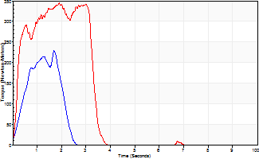
Isometric Extensors (Con) Angle 60 Time 10 Repetition 2 (Best Repetition)
 | Value | Cof Var | %BW
Peak Torque (Newton-Meters)
Right | 228 | 0.74 | 355
Left | 344 | 0.02 | 536
Deficit | 34
Average Torque (Newton-Meters)
Right | 35 | 0.42 | 54
Left | 99 | 0.15 | 155
Deficit | 64
Peak Torque Slope (Newton-Meters/Seconds)
Right | 134 | 1.03 | 209
Left | 206 | 0.09 | 321 |  | Right Side Curves Left Side Curves
Deficit | 35
Time to Half Peak Torque (Seconds)
Right | 0.96 | 0.77
Left | 0.43 | 0.72
Time to Peak Torque (Seconds)
Right | 2.54 | 0.47
Left | 1.75 | 0.11
HUMAC2015® Version: 15.000.0074 © Computer Sports Medicine, Inc. www.csmisolutions.com

